NMS Tomcat Upgrade
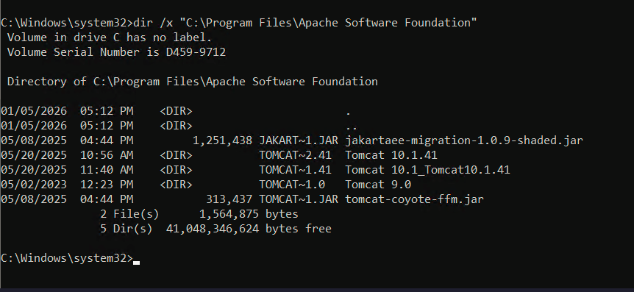
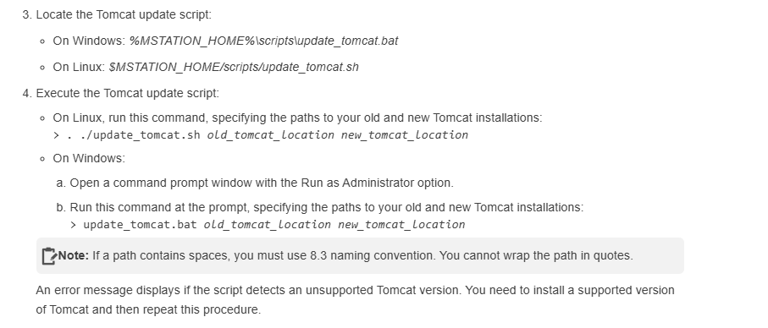
S.No | Steps | Note
1 | Log in to the Management Station | https://docs.nuance.com/speech-suite/ms/upgrading-tomcat.html
2 | Stop all the Management Station services in NMS Portal
3 | Open windows services stop below services: Order to Stop Services in NMS : Nuance Management Station Nuance Management Station Data Collection Nuance Management Station state Analyser Nuance Watcher Deamon Nuance License Service
4 | Locate the Tomcat update script: On Windows: C:\Program Files\Nuance\Management Station\mstation\mserver\webapps\mserver\scripts\update_tomcat.bat
5 | Execute the Tomcat update script: On Windows: Open a command prompt window with the Run as Administrator option. Run this command at the prompt, specifying the paths to your old and new Tomcat installations: > update_tomcat.bat old_tomcat_location new_tomcat_location > update_tomcat.bat C:\Program Files\Apache Software Foundation\Tomcat 10.1.41 C:\Program Files\Apache Software Foundation\Tomcat 10.1.57 > update_tomcat.bat C:\PROGRA~1\APACHE~1\TOMCAT~2.41 C:\PROGRA~1\APACHE~1\TOMCAT~2.57 | Note: If a path contains spaces, you must use 8.3 naming convention. You cannot wrap the path in quotes. An error message displays if the script detects an unsupported Tomcat version. You need to install a supported version of Tomcat and then repeat this procedure. dir /x "C:\Program Files\Apache Software Foundation" Open mserver-configure.log and check the tomcat_home path MY_TOMCAT_HOME=C:\PROGRA~1\APACHE~1\TOMCAT~2.41
6 | Configure https cert in server.xml in nms tomcat | Not Required(Skip this step)
7 | Reboot NMS System
8 | Start the Management Station services to complete the update: On Windows, use the Services dialog. Order to Start Services in NMS : Nuance License Service Nuance Management Station Nuance Management Station Data Collection Nuance Management Station state Analyser Nuance Watcher Daemon
9 | Start all the Management Station services in NMS Portal

NMS_NSS Java Upgrade
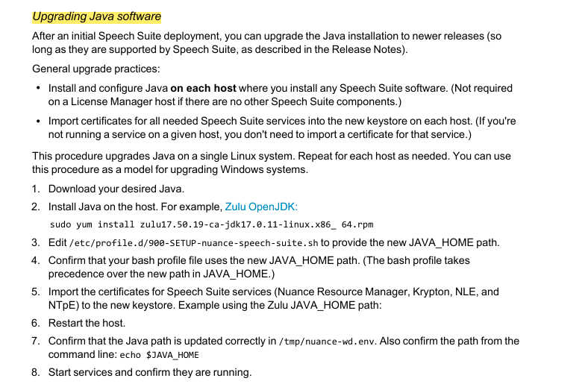
S.No | Steps | Note
1 | Log in to the Management Station | https://docs.nuance.com/speech-suite/core-install/si-proc-upg-java.html
2 | Stop all the Management Station services in NMS Portal
3 | Open windows services stop below services: Order to Stop Services in NMS : Nuance Management Station Nuance Management Station Data Collection Nuance Management Station state Analyser Nuance Watcher Deamon Nuance License Service
4 | Take backup of existing folder zulu11 and choose same path while running .msi file
4 | Configure JAVA_HOME inside Environmental Variables both NMS and NSS | C:\Program Files\Zulu\zulu-11
5 | If we are using Dragon voice services(Nuance Resource Manager, Krypton, NLE, and NTpE) Import the certificates for Speech Suite services to the new keystore. | There is a separate way to update JAVA ( certificate import needs to be done)
6 | Confirm that the Java path is updated correctly using cmd | >echo %JAVA_HOME% >java -version
7 | Reboot NMS/NSS System
8 | Start the Management Station services to complete the update: On Windows, use the Services dialog. Order to Start Services in NMS : Nuance License Service Nuance Management Station Nuance Management Station Data Collection Nuance Management Station state Analyser Nuance Watcher Daemon
9 | Start all the Management Station services in NMS Portal

